587082
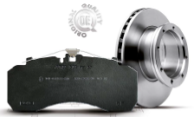
 |  | PART NUMBER
 |  | 587082

 |  | 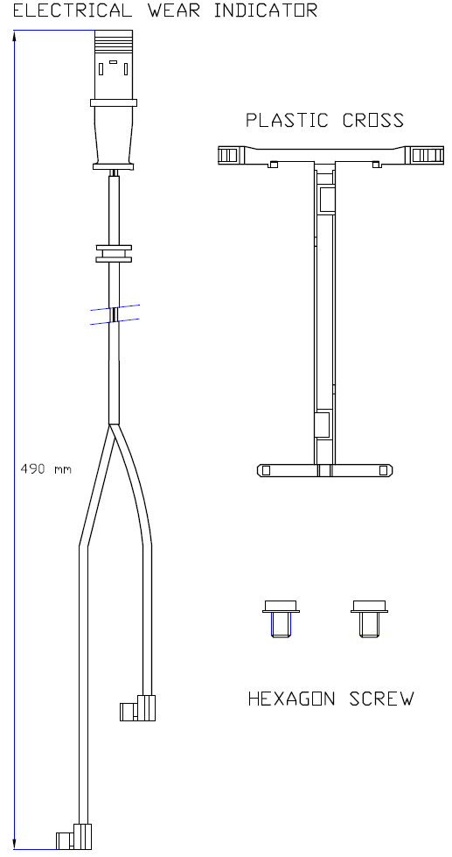

DESCRIPTION | CV Wear Indicator Kit
WVA | 29213
LENGTH [mm] | 490
WIDTH [mm] | Not applicable
THICKNESS [mm] | Not applicable
SENSOR MATERIAL | Vespel SP1

BRAKE SYSTEM | Knorr SN6

EAN-13 BARCODE | 4044197917907
WEIGHT [Kg] | 0.03
BOX SIZE [mm] | 15x24
W.I. kit composition | as illustrated
ECE R90 APPROVAL | Not applicable

COMMENTS

NOTES | Wear Indicator kit in combination with Jurid CV brake pad 2921305390

X-REFERENCE (OES) |  |  | X-REX-REFERENCE (COMPETITOR)
MAN | 81.50822-635

APPLICATIONS |  |  |  | FRONT | REAR | TRAILER
MAN TG1 13T ALLRAD

Jurid Management Release
#REF!

